Foglio1
Solution Drain Group |  |  | SN from 03D449

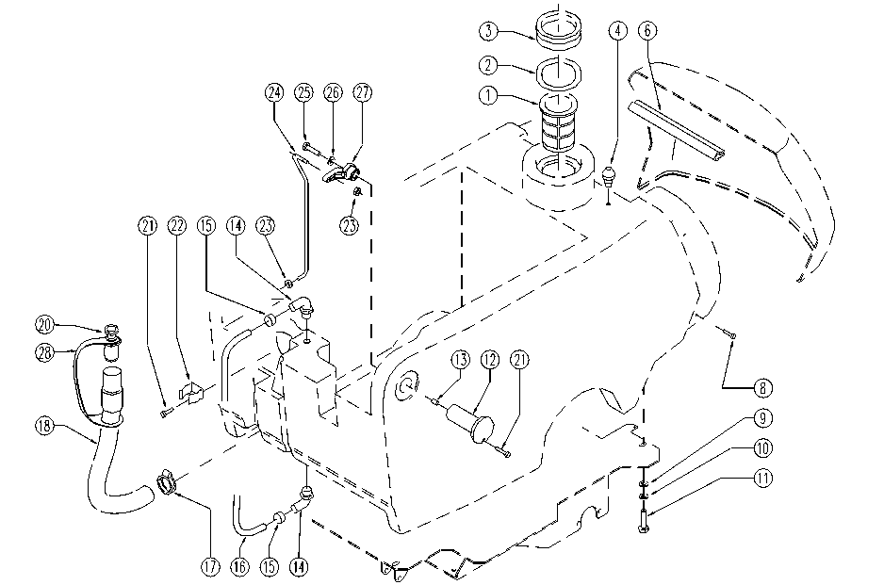

ITEM | SKU | DESCRIPTION | QTY
1 | E87799 | Filter | 1
2 | E87832 | O Ring for Gasket | 1
3 | E87798 | Gasket | 1
4 | E86762 | Latch Pin | 1
6 | E89245 | Gasket | 1
8 | E87887 | screw | 4
9 | E89120 | Washer | 4
10 | SL06108 | WASHER | 4
11 | SL04040 | SCREW | 4
12 | E86574 | pin | 2
13 | E86372 | insert | 2
14 | E86638 | Union Elbow | 2
15 | E86751 | Clamp 10-16 | 2
16 | E89150 | Site tube | 1
17 | E86480 | Wire Clamp | 1
18 | E86523 | Hose Foreman | 1
20 | E86993 | Drain hose plug | 1
21 | E89473 | Screw | 4
22 | E86992 | Hose Clips | 1
23 | E86875 | Self-Locking Nut | 2
24 | E89229 | Squeegee lift rod | 1
25 | SL04180 | SCREW | 1
26 | E86704 | Washer D 6-18 | 1
27 | E87897 | lever | 1
28 | E86993 | Drain hose plug | 1

